Sheet1
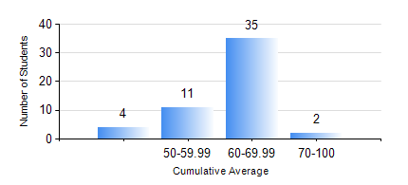
 |  |  | KWAME NKRUMAH UNIVERSITY OF SCIENCE AND TECHNOLOGY, KUMASI Department of Geomatic Engineering

 |  |  | BSC. GEOMATIC ENG.

 |  |  | COMPREHENSIVE RECORD OF EXAMINATION RESULTS

 |  |  | RESULTS OF YEAR 4 FIRST SEMESTER, 2018/2019 ACADEMIC YEAR

 | Sn | Course Code |  | Course Name | Credit Hours | Min. Mark | Max. Mark | Avg. Mark | Std. Dev. | No. Passed | No. Trailed | No. (Df) | No. (I) | No. (I*) | No. Tagged(I,I*,Df) | Total
 | 1. | CE 461 |  | ENG ECONOMY AND ENTERPRENEURSHIP DEVELOPMENT | 3 | 44 | 85 | 70 | 11.33 | 52 | 0 | 0 | 0 | 0 | 0 | 52
 | 2. | GE 451 |  | GEODETIC SURVEYING II | 3 | 40 | 81 | 57 | 10.17 | 52 | 0 | 0 | 0 | 0 | 0 | 52
 | 3. | GE 461 |  | CADASTRAL SURVEYING | 3 | 40 | 83 | 63 | 9.02 | 52 | 0 | 0 | 0 | 0 | 0 | 52
 | 4. | GE 463 |  | LAND AND GEOGRAPHIC INFORMATION SYSTEM I | 3 | 56 | 87 | 72 | 6.85 | 52 | 0 | 0 | 0 | 0 | 0 | 52
 | 5. | GE 491 |  | PROJECT I | 4 | 61 | 77 | 68 | 4.45 | 52 | 0 | 0 | 0 | 0 | 0 | 52

